Assets
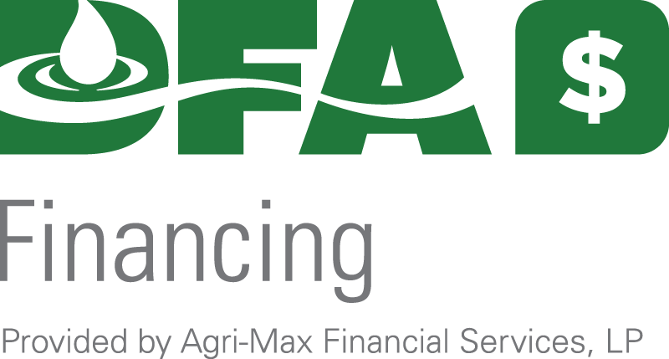

Balance sheet tool

CURRENT ASSETS

Cash on hand and in banks: |  | Savings | $- |  | Checking | $- |  | Money Markets $ |  | $-

Accounts Receivable and Milk Cooperative: |  |  |  |  |  |  |  |  |  | (For example, 30 days of milk)

Other Accounts and Notes Receivables and Payer's Name: |  |  |  |  |  |  |  |  |  | $-

 |  |  |  |  |  |  |  |  |  |  | Total Other Accounts/Notes
Feed Inventory: Use purchase price for purchased inventories

1st Cut Dry Hay (tons or bales)…… |  |  |  | X$ | $- |  | per ton or bale……………………………………………… |  |  |  |  | $-

2nd Cut Dry Hay (tons or bales)….. |  |  |  | X$ | $- |  | per ton or bale……………………………………………… |  |  |  |  | $-

Corn Silage (tons)…………………. |  |  |  | X$ |  |  | per ton……….……………………………………………… |  |  |  |  | $-

Haylage (tons)……………………… |  |  |  | X$ |  |  | per ton……….……………………………………………… |  |  |  |  | $-

High Moisture Corn (tons)………… |  |  |  | X$ | $- |  | per ton……….……………………………………………… |  |  |  |  | $-

Ear Corn (tons or bushels)……… |  |  |  | X$ |  |  | per ton or bushel...……….………………………………… |  |  |  |  | $-

Dry Shelled Corn (tons or bushels) |  |  |  | X$ | $- |  | per ton or bushel...……….………………………………… |  |  |  |  | $-

Oats (tons or bushels)…………….. |  |  |  | X$ | $- |  | per ton or bushel...……….………………………………… |  |  |  |  | $-

Other Feed (tons or bushels)…….. |  |  |  | X$ |  |  | per ton or bushel...……….………………………………… |  |  |  |  | $-
 | Acres Hay Seedings
 |  |  |  |  |  |  |  |  |  |  | TOTAL CURRENT ASSETS | $-

INTERMEDIATE ASSETS

Face Value of Life Insurance………. |  |  |  |  |  | Cash Value of Life Insurance………. |  |  |  | $- |  | $-

Milk Cows (include drys)…………...# |  |  |  | X$ |  |  | per head value……………………………………………. |  |  |  |  | $-

Bred Heifers………………………...# |  |  |  | X$ | $- |  | per head value……………………………………………. |  |  |  |  | $-

Yearlings, Open (over 12 months)….# |  |  |  | X$ |  |  | per head value……………………………………………. |  |  |  |  | $-

Calves (0 to 12 months)...………….# |  |  |  | X$ |  |  | per head value……………………………………………. |  |  |  |  | $-

Other livestock………………………# |  |  |  | X$ | $- |  | per head value……………………………………………. |  |  |  |  | $-

Other livestock………………………# |  |  |  | X$ | $- |  | per head value……………………………………………. |  |  |  |  | $-

Autos (year, make, value of each):…. |  |  |  |  |  |  |  |  |  |  |  | $-

Machinery, equipment, tractors, trucks (attach a separate list if necessary)

 |  |  |  |  |  |  |  |  | Total machinery, equipment, tractors, trucks |  |  | $-

Stocks and Mutual Funds……………# |  |  |  | X$ | $- |  | ………………………………………………………………. |  |  |  |  | $-

Other Intermediate Assets. |  |  |  |  |  |  |  |  |  |  |  | $-

 |  |  |  |  |  |  |  |  |  | TOTAL INTERMEDIATE ASSETS |  | $-

FIXED ASSETS

 |  |  |  |  |  |  |  |  |  | ACRES
Farm Real Estate (please describe below) |  |  |  |  |  |  |  | Total |  |  | Tillable

Farm w/ 3 homes , Dairy Facility

 |  |  |  |  |  |  |  |  |  |  |  | $-

 |  |  |  |  |  |  |  |  |  |  |  | $-

Other Real Estate |  |  |  |  |  |  |  |  |  |  |  | $-

Equity in partnership/corporations |  |  |  |  |  |  |  |  |  |  |  | $-

 |  |  |  |  |  |  |  |  |  |  | TOTAL FIXED ASSETS | $-

 |  |  |  |  |  |  |  |  |  | GRAND TOTAL OF ASSETS |  | $-

Average Number of Cows in current year…….

Herd Average:…………………………………..

Milk Quality (for example, SCC):……….…….. |  |  |  |  |  |  |  |  |  |  |  |  | (over for Liabilities)

